B30Prediction
Tables S1 to S3 display the data available for inspection for each prediction generated by the TOB method for a specific data record from the datasets studied. Data record B30 is arbitrarily selected for the example. | This data is provided as a supplementary file to the publication:
 | Wood, D.A., Choubineh, A. Reliable Predictions of Oil Formation Volume Factor Based on Transparent and Auditable Machine Learning Approaches. Advances in Geo-Energy Research 2019

Table S1. Top-ten high-ranking matching records in the training subset selected by TOB stage 1 for tuning subset data record #B30. Values shown are in normalized terms.

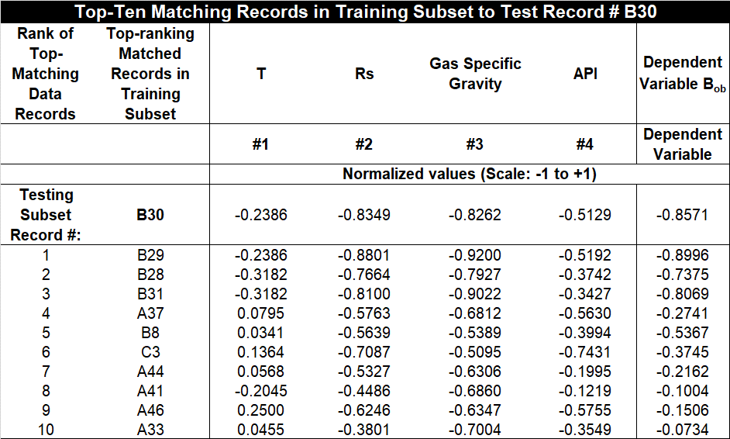

Table S2. Sums of the weighted squared errors (right-side column) calculated for the top-ten high-ranking matching records in the training subset (Table S1) identified for tuning subset data record #B30. Calculations for the TOB stage 1 (upper part of table) and TOB stage 2 (lower part of table) apply distinct independent variable weighting and Q values, as displayed.

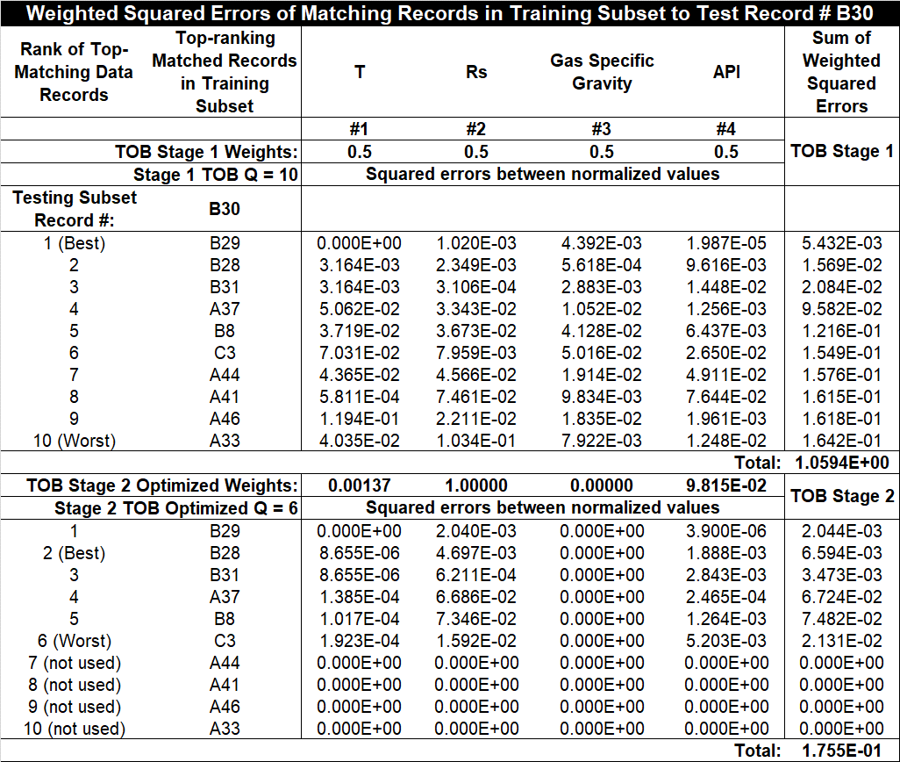

The upper half of Table S2 displays how the values from Table S1 are adjusted to derive the sum of the weighted squared errors used in the provisional prediction calculations of TOB Stage 1 (Q set to 10 and all variable weights set equal to 0.5). The upper half of Table S3 (four columns on the right side) shows how the sums of the weighted squared errors for each top-matching record are each used to calculate a component of the predicted value (last column on the right). The lower halves of Tables S2 and S3 display the optimized prediction calculations of TOB stage 2 using variable weightings and an optimized value for Q (optimizer could select between Q =2 to 10, and all variable weights are allowed to vary independently between 0 and 1). In the case of sample #B30 the optimizer has selected Q=6 for the optimized calculations.

Table S3. TOB prediction calculations for the top-ten high-ranking matching records in the training subset identified (Tables S1 and S2) for tuning subset data record #B30. Calculations for the TOB stage 1 and stage 2 predictions using the calculated sum of the weighted-squared errors are derived from the right-hand column of Table S2.

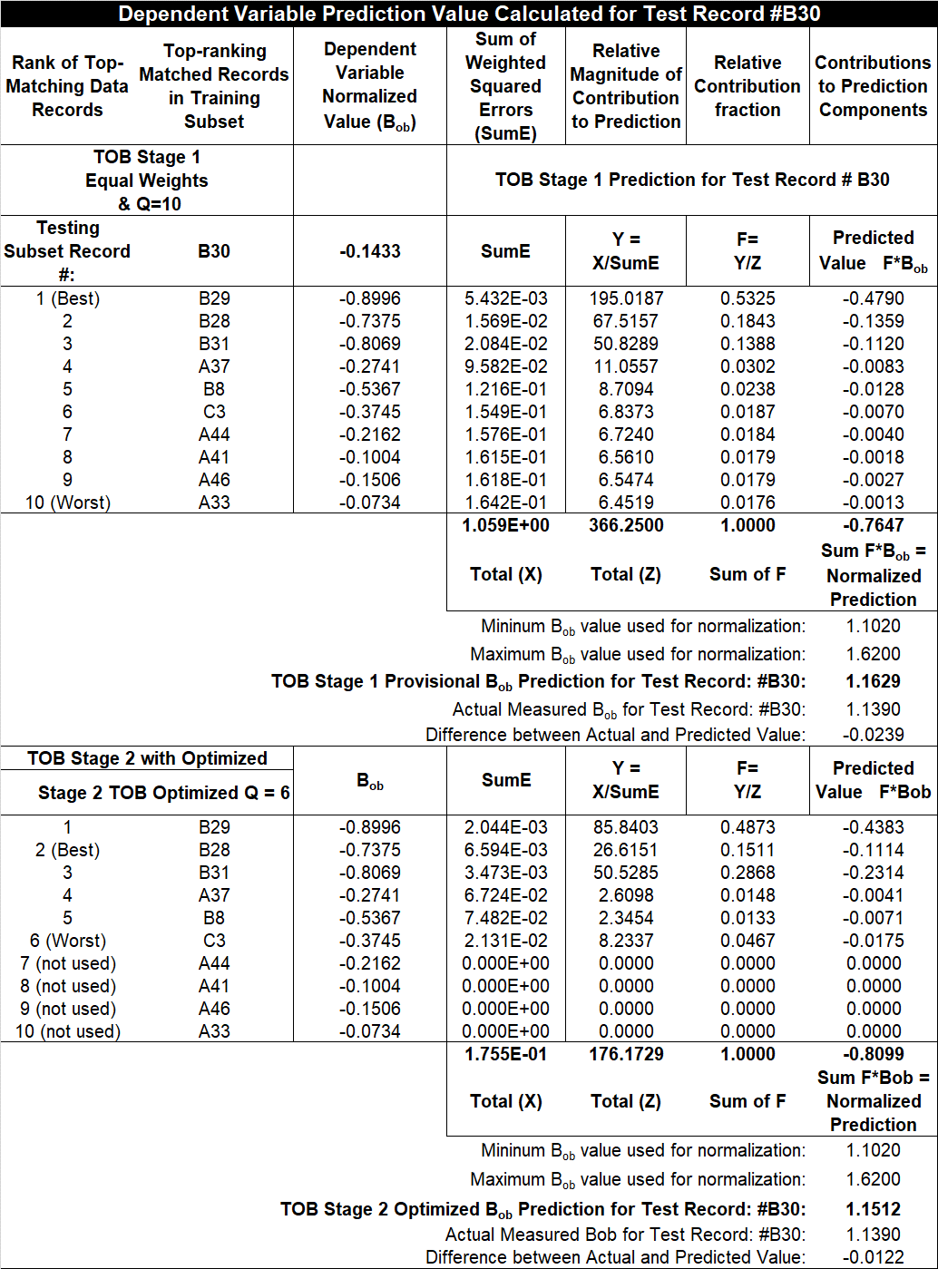

The same calculations as conducted for TOB stage 1 are made for the TOB stage 2 predictions (last four columns in the lower half of Tables S2 and S3) but using the optimized sums of the weighted squared errors (fourth column from the right). For TOB stage 2, because the optimum Q value equals 6, only the best-six-matching records contribute to the sums of the weighted-squared errors used in the prediction. The column of figures second from the right in Table S3 is particularly informative. These figures reveal that for TOB stage 1 calculation records B29 (53.25%), B28(18.43%) and B31(13.88%) contribute collectively 85.56% to the prediction of the Bob value in record B30. On the other hand, for the tuned TOB stage 2 calculation B29 (48.73%), B28(15.11%) and B31(28,68%) contribute collectively 93.52% to the prediction of the Bob value in record B30. The variable weightings from Table S2 applied to TOB stage 2 are responsible for that difference, with a zero-weight excluding gas gravity (column third from the right in Table S2) from contributing to the prediction. That change results in a much more accurate prediction being achieved for data record B30 by the TOB stage 2 calculation versus the TOB stage 1 calculation. Such information can be quickly extracted from the intermediate calculation results provided in Tables S1 to S3.

The level of transparency displayed by Tables S1 to S3 (available for all data records of the tuning and testing subsets) is useful, not only to audit and check the prediction values generated, but also because it identifies exactly which top-ten matching data records are selected by TOB stage 1 for each record prediction.

